Results
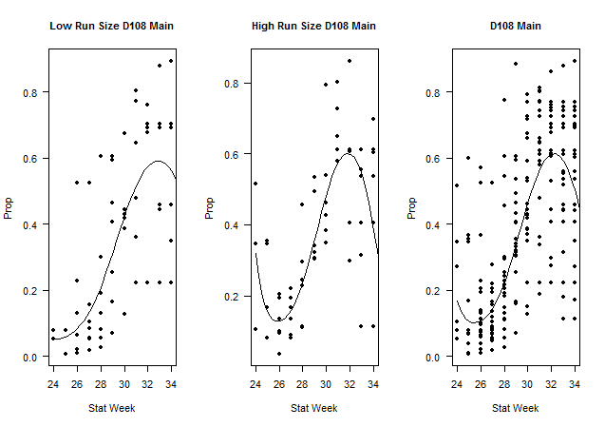
Table 1: District 108 Mainstem proportion of catch
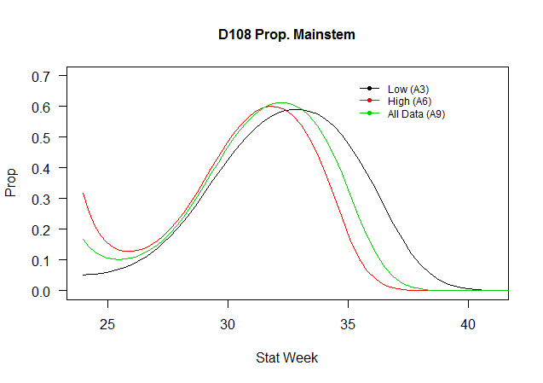
Data (District, Stock, Run Size) | Model | Description | Parameters (p) | Datapoints (n) | AICc | ΔAICc | adj. R2
D108 Main Low | A1 | Linear | 2 | 66 | 219.15 | 0.00 | 0.42
D108 Main Low | A2 | Polynomial (2) | 3 | 66 | 220.41 | 1.26 | 0.41
D108 Main Low | A3 | Polynomial (3) | 4 | 66 | 221.07 | 1.92 | 0.42
D108 Main High | A4 | Linear | 2 | 59 | 162.51 | 16.57 | 0.32
D108 Main High | A5 | Polynomial (2) | 3 | 59 | 164.82 | 18.87 | 0.30
D108 Main High | A6 | Polynomial (3) | 4 | 59 | 145.95 | 0.00 | 0.51
D108 Main | A7 | Linear | 2 | 211 | 649.64 | 20.87 | 0.39
D108 Main | A8 | Polynomial (2) | 3 | 211 | 650.92 | 22.15 | 0.39
D108 Main | A9 | Polynomial (3) | 4 | 211 | 628.77 | 0.00 | 0.45

Table 2: District 106-41 Mainstem proportion of catch
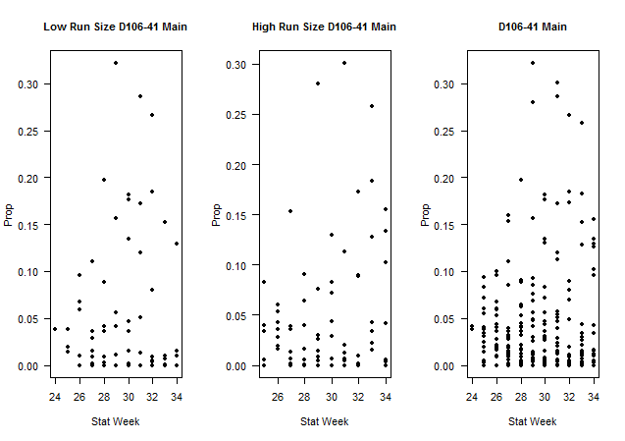
Data (District, Stock, Run Size) | Model | Description | Parameters (p) | Datapoints (n) | AICc | ΔAICc | adj. R2
D106-41 Main Low | B1 | Linear | 2 | 75 | 374.45 | 0.00 | 0.00
D106-41 Main Low | B2 | Polynomial (2) | 3 | 75 | 375.19 | 0.75 | 0.01
D106-41 Main Low | B3 | Polynomial (3) | 4 | 75 | 374.62 | 0.17 | 0.03
D106-41 Main High | B4 | Linear | 2 | 77 | 362.77 | 0.00 | -0.01
D106-41 Main High | B5 | Polynomial (2) | 3 | 77 | 364.97 | 2.20 | -0.02
D106-41 Main High | B6 | Polynomial (3) | 4 | 77 | 367.24 | 4.48 | -0.04
D106-41 Main | B7 | Linear | 2 | 250 | 1152.61 | 0.52 | 0.00
D106-41 Main | B8 | Polynomial (2) | 3 | 250 | 1152.10 | 0.00 | 0.01
D106-41 Main | B9 | Polynomial (3) | 4 | 250 | 1152.97 | 0.87 | 0.01

Methods
Re-Analysis of the Trigger Run Size
Purpose:
Find an alternative method to determine the historical catch proportions of the stocks of Mainstem and Tahltan in the D108 and D106-41 drift gillnet fisheries based on the estimated total run size (high, low) and stock proportions from 1985-2011 by stat week. These proportions, by stat week, will be used in the Stikine Management Model for a historical representation of the proportion of the mainstem and Talhtan stock in the D 106-41 and D108 drift gillnet fisheries (Scform sheet in the SMM model).
Methods:
For each set of data by district (D108, D106-41) and stock (Mainstem and Tahltan), comparison models (linear, polynomial) were run on the proportion of the stock by statistical week across years (1985-2011). Since during the scale pattern analysis weeks 35-41 are often set equal to week 34, data from weeks 35-41 were excluded from the datasets. Models were run based on the combined dataset and also by estimated total run size (high or low) by stock; since the current method for management averages the proportions by years of low (<40,000), medium (average across all years), and high (>80,000) estimated run size and uses this number in the management model . The Stikine Run Size from run reconstruction used the corrected run using the Lower River Commercial Catch (LRCC) not the Lower River Test Fishery (LRTF) nor an average of the two [H:\Salmon\Stikine Sockeye Model\SMM Model & Data\Model Runs\LRCC Run Reconstruction\ StiRunSize.xlsx]. For example, if 1985 and 1986 were years with low run sizes for the overall Tahltan stock, only these two years would be averaged for a historical low trigger size average for Tahltan in the D106-41 fishery. Then if the current run size estimate, by stock, in the management model, was <40,000, the proportion of the Tahltan stock used in the model to estimate the D106-41 fishery would be the average from only 1985 and 1986.
To somewhat normalize the response variable, stock proportion was logit transformed,
Eq.1$\ln{\frac{(p+ε)}{1−(p+ε)}.}$
Since proportions that are equal to 0 or 1 transform to undefined values -∞ and ∞, a small value ε was added to each datapoint. The small value ε, which introduces minimal bias, was set equal to the smallest value of the proportion data that was greater than 0 (0.000156 for mainstem proportions in D106-41; 0.0025 for Tahltan proportions in D108; 0.00066 for Talhtan proportions in D108). The natural log of the explanatory variable, stat week, was used so the response and explanatory variables were on similar scales. To change the logit model fitted values back to proportions, equation # 2 was used,
Eq. 2 $p=\frac{1}{1+\frac{1}{e\text{x}}}$.
In this analysis, the best model was chosen by Akaike Information Criterion, corrected for small sample sizes (AICc) and biological reasoning. Differences in AICc<4 are considered statistically insignificant (Burnham and Anderson 1998). Models were also compared to determine if the stock proportion should be based on the estimated run size or one combined model.

